Dashboard
Sales Performance 2019
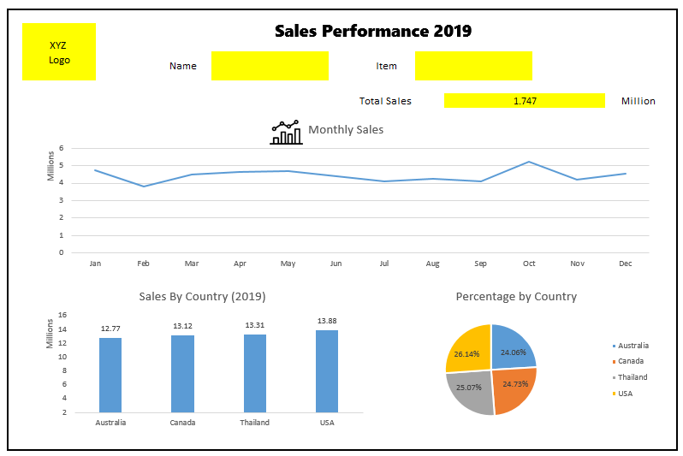
 |  |  |  | Dashboard วิเคราะห์ยอดขายของ Sale แต่ละคน และแต่ละ Item
XYZ
Logo | Name | Item |  | Employee
 |  |  |  | ITEM
 |  |  |  | Sales |  | THB
 |  | Total Sales | Million | Sales |  | M

 |  |  |  | Salesperson | Name
 |  |  |  | 1 | Peter Johnson
 |  |  |  | 2 | Adam Robert
 |  |  |  | 3 | Mary Jones
 |  |  |  | 4 | Rose Kay

 |  |  |  | Item | Detail
 |  |  |  | 1 | Beverage
 |  |  |  | 2 | Frozen Food
 |  |  |  | 3 | Dried Food
 |  |  |  | 4 | Canned Food

